good_health_well_being patients
Patient_ID | Name | Age | Gender | Location | Male and Female
1 | John Doe | 45 | Male | Urban Area A
2 | Jane Smith | 34 | Female | Urban Area B
3 | Michael Johnson | 52 | Male | Urban Area C
4 | Emily Davis | 28 | Female | Urban Area A
5 | David Lee | 41 | Male | Urban Area B
6 | Sarah Kim | 39 | Female | Urban Area C
7 | Tom Wilson | 47 | Male | Urban Area A
8 | Olivia Taylor | 31 | Female | Urban Area B
9 | Alex Chen | 25 | Male | Urban Area C
10 | Sophia Patel | 29 | Female | Urban Area A

Age Distribution of Patients

Sheet3
Row Labels | Sum of Patient_ID
Balanced | 30
High Fat | 10
High Sugar | 15
Grand Total | 55

Diet Preferences among Patients

Sheet4
Row Labels | Count of Record_ID
Cardiovascular Disease | 2
Diabetes | 4
Hypertension | 4
Grand Total | 10

Disease Type Distribution

Sheet1
Good_Health_Well_Being

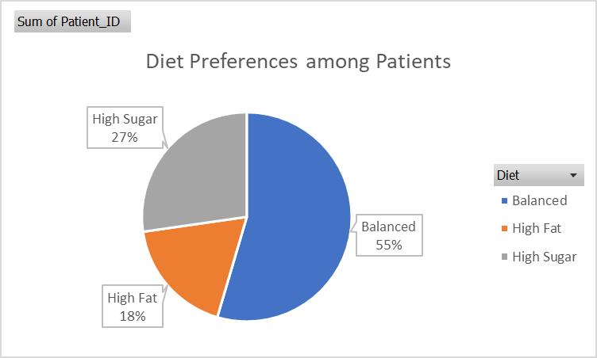
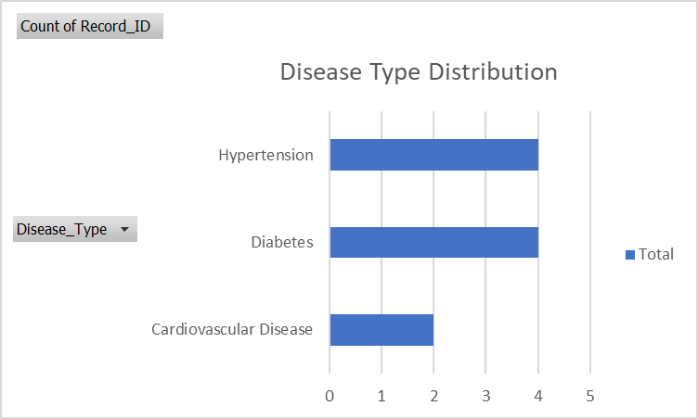

Row Labels | Count of Record_ID
Cardiovascular Disease | 2
Diabetes | 4
Hypertension | 4
Grand Total | 10

Row Labels | Sum of Patient_ID
Balanced | 30
High Fat | 10
High Sugar | 15
Grand Total | 55

